Hoja 1
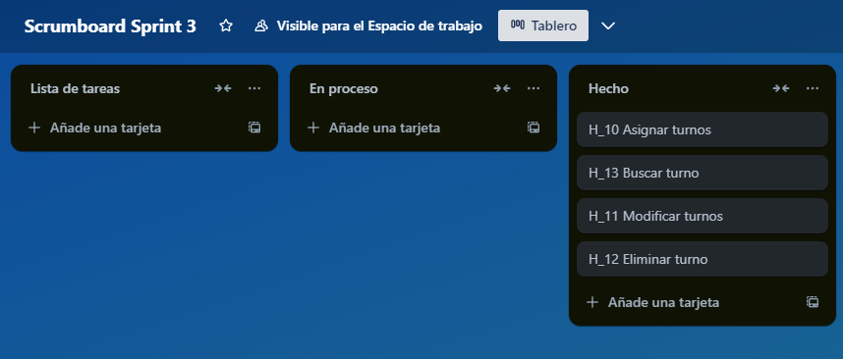
Link: https://trello.com/invite/b/675238e5799f2a4e52c65517/ATTIc64bbf670a04e3b13815e748aa2f539eFE8154E7/scrumboard-sprint-3

